INSTRUMENT TRACKER
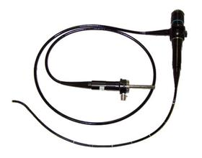 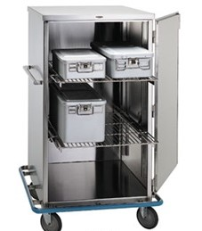 .
SET ASSEMBLY
STERILIZATION
DECONTAMINATION
STERILE STORAGE
SURGERY
REPAIR/IFU
EFFICIENCY
QUALITY

